Sheet1
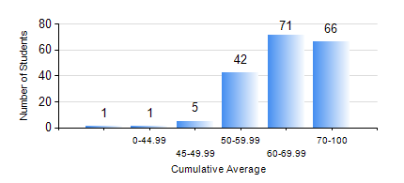
 |  |  | KWAME NKRUMAH UNIVERSITY OF SCIENCE AND TECHNOLOGY, KUMASI Department of Telecommunication Engineering

 |  |  | BSC. TELECOMMUNICATION ENG.

 |  |  | COMPREHENSIVE RECORD OF EXAMINATION RESULTS

 |  |  | RESULTS OF YEAR 4 SECOND SEMESTER, 2023/2024 ACADEMIC YEAR

 | Sn | Course Code |  | Course Name | Credit Hours | Min. Mark | Max. Mark | Avg. Mark | Std. Dev. | No. Passed | No. Trailed | No. (Df) | No. (I) | No. (I*) | No. Tagged(I,I*,Df) | Total
 | 0. |  |  |  |  |  |  | 0 | 0 | 0 | 0 | 0 | 0 | 0 | 0 | 2
 | 1. | EE 472 |  | DIGITAL SIGNAL PROCESSING | 3 | 23 | 97 | 72 | 15.79 | 180 | 3 | 0 | 1 | 0 | 1 | 184
 | 2. | ME 492 |  | MANAGEMENT AND ENTREPRENEURSHIP DEVELOPMENT | 2 | 18 | 77 | 61 | 8.44 | 183 | 1 | 0 | 0 | 0 | 0 | 184
 | 3. | TE 462 |  | TELECOMMUNICATION POLICY | 2 | 32 | 94 | 75 | 11.25 | 182 | 1 | 0 | 1 | 0 | 1 | 184
 | 4. | TE 472 |  | MOBILE AND SATELLITE COMMUNICATION SYSTEM | 3 | 40 | 92 | 62 | 12.76 | 182 | 0 | 0 | 1 | 0 | 2 | 184
 | 5. | TE 474 |  | MICROWAVE ENGINEERING | 2 | 17 | 84 | 51 | 14.43 | 168 | 16 | 0 | 0 | 0 | 0 | 184
 | 6. | TE 484 |  | NETWORK PLANNING | 2 | 34 | 99 | 69 | 14.18 | 182 | 2 | 0 | 0 | 0 | 0 | 184
 | 7. | TE 498 |  | PROJECT II | 5 | 55 | 94 | 87 | 5.91 | 184 | 0 | 0 | 0 | 0 | 0 | 184

